Sheet1
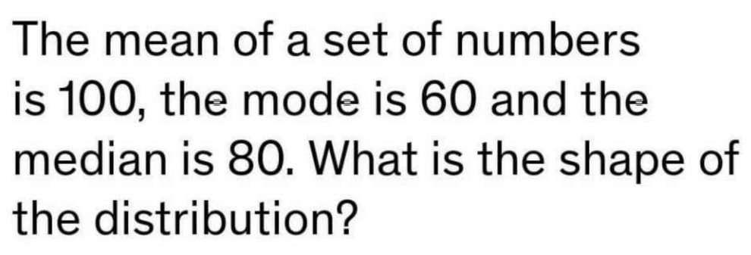

 | n | 100
 | mode | 60
 | median | 80

ANS | THE SHAPE OF THE DISTRIBUTION IS RIGHT SKEWED (ALSO CALLED POSITIVELY SKEWED)

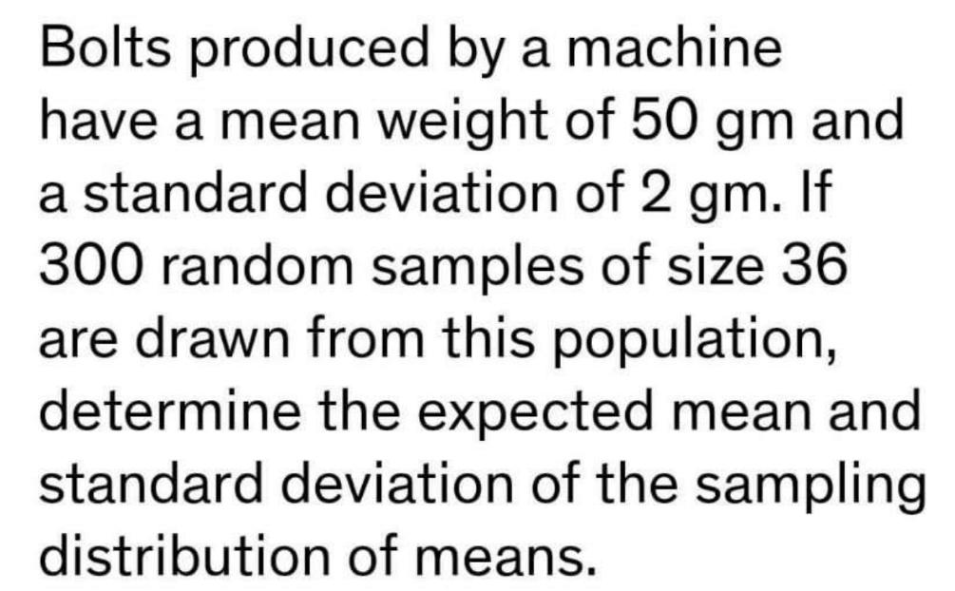

 | mena | 50 gm
 | std | 0.33 gm

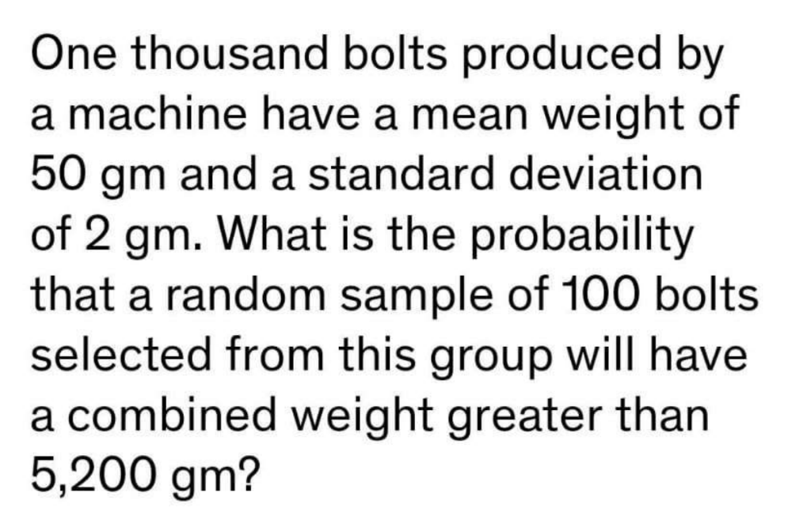

 | ANS | almost zero

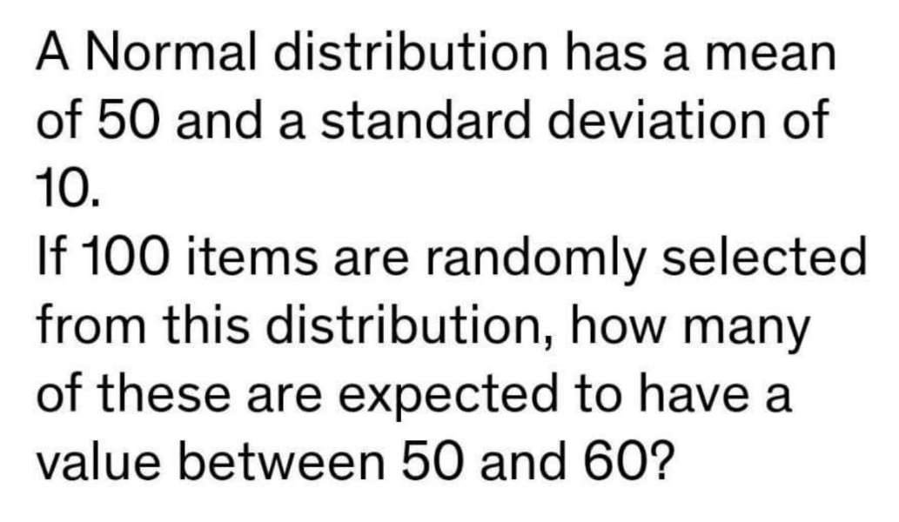

ans | 16 items

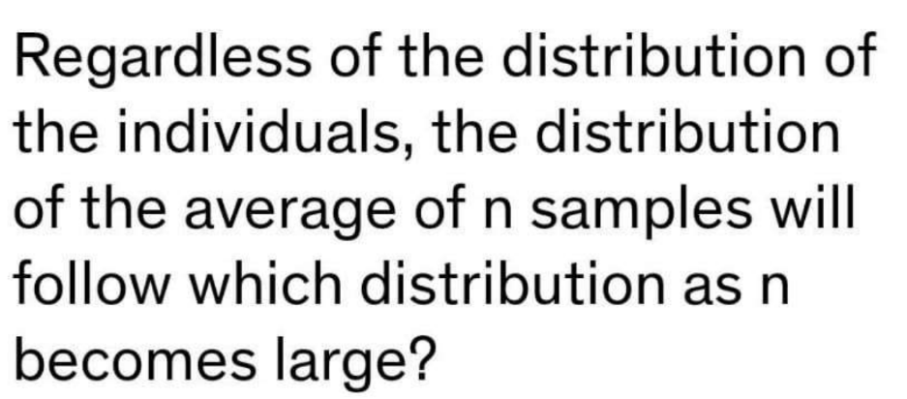

ANS | NORMAL DISTRIBUTION

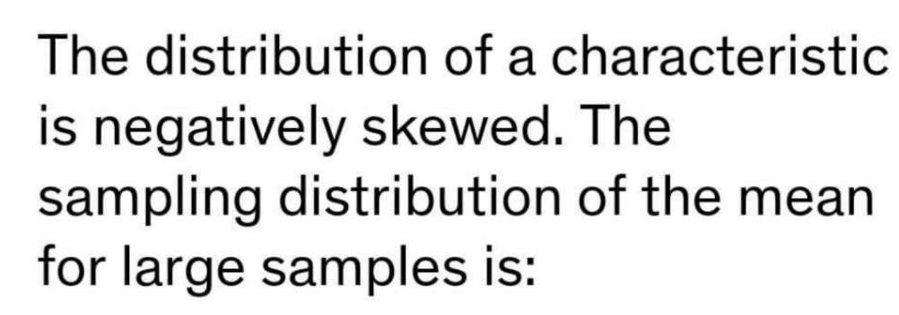

 | ANS | NEGATIVELY SKEWED

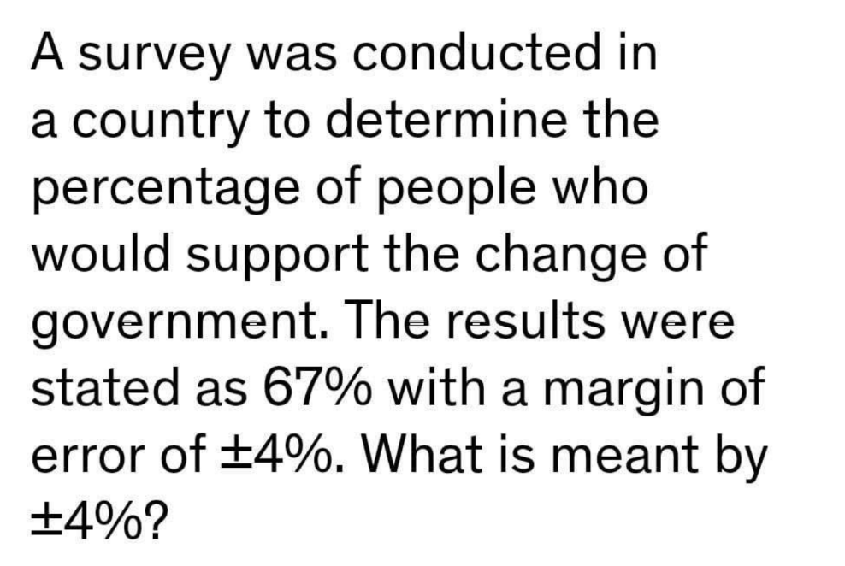

ANS | the percentage of the entire population of the country who would support the change of government is between 63% and 71%

ANS | Sample size of 1000 and 99 % confidence

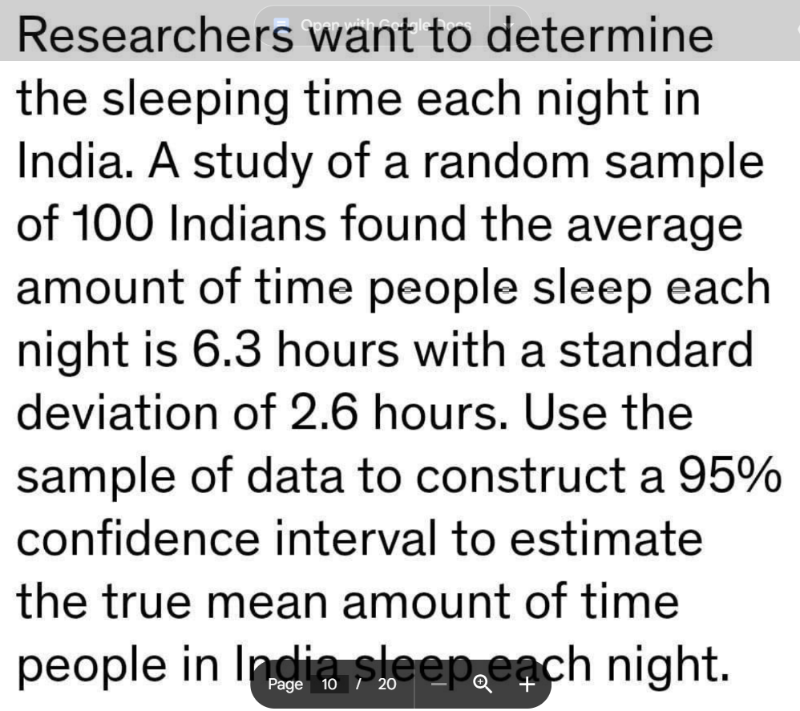

 |  | ANS | 5.79 to 6.81

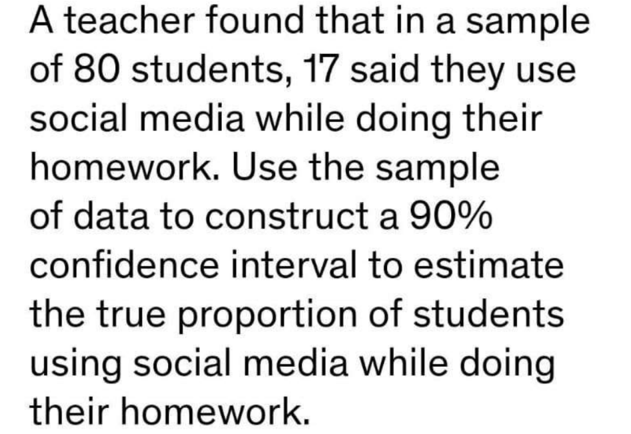

 | ANS | 0.1243 to 0.2157

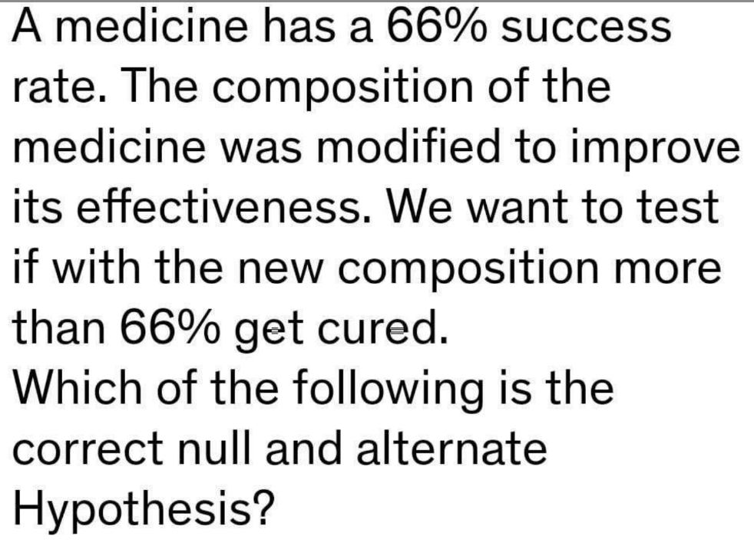

ANS | ho: success rate < 0.66/ ha: success rate>0.66

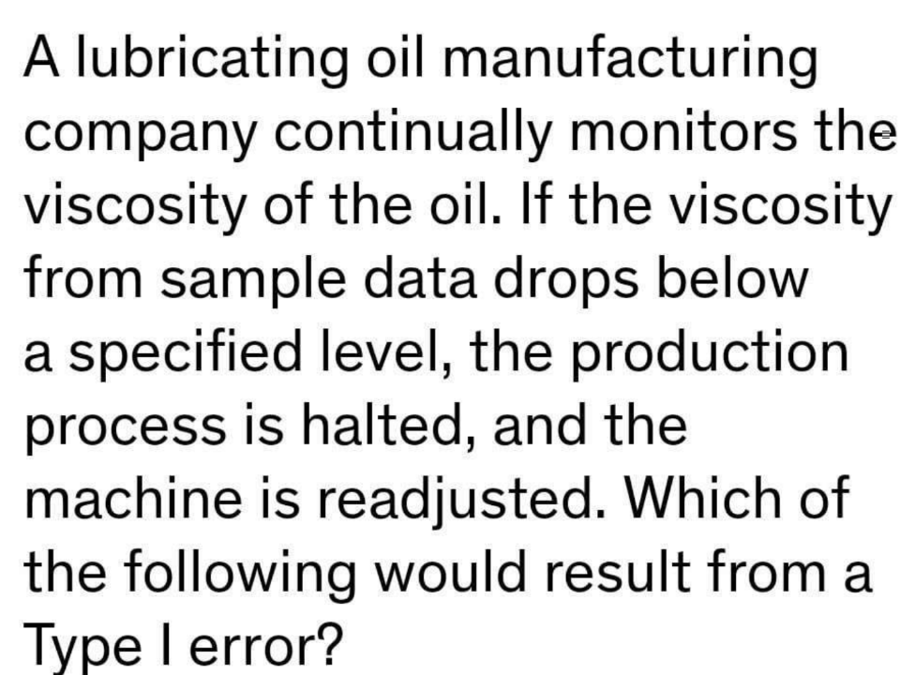

 | ANS | not halting the machine when the viscosity is outside the acceptable range.

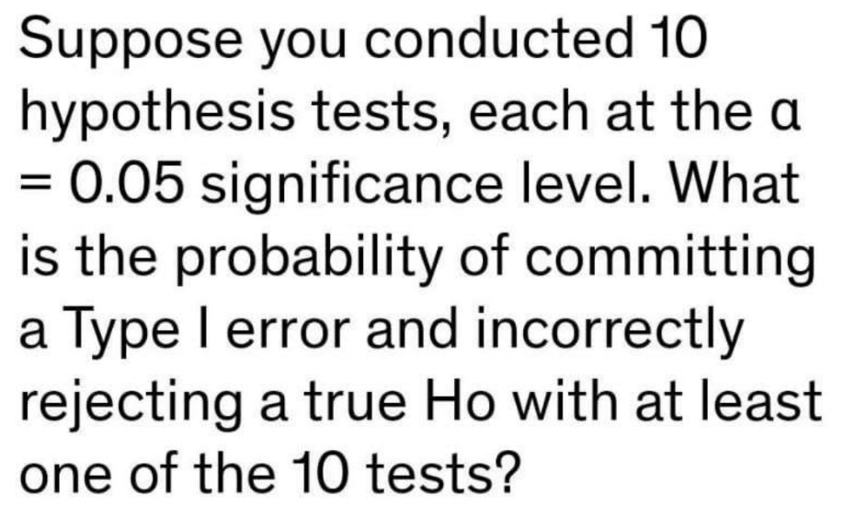

ANS | 0.4

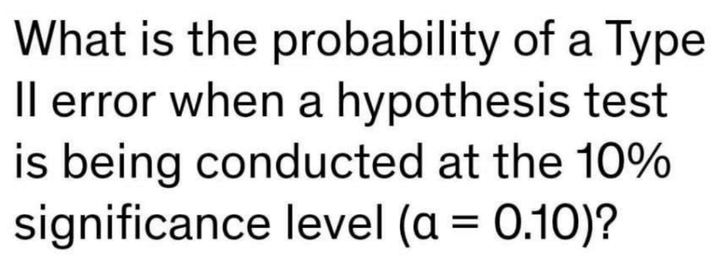

ANS | 0.1

ANS | if the p-value is less than the level of significance, the null hypothesis gets rejected.

ANS | α = 0.05 or 0.01 is generally decided as the last step in the hypothesis test depending upon the test results

